email sign up
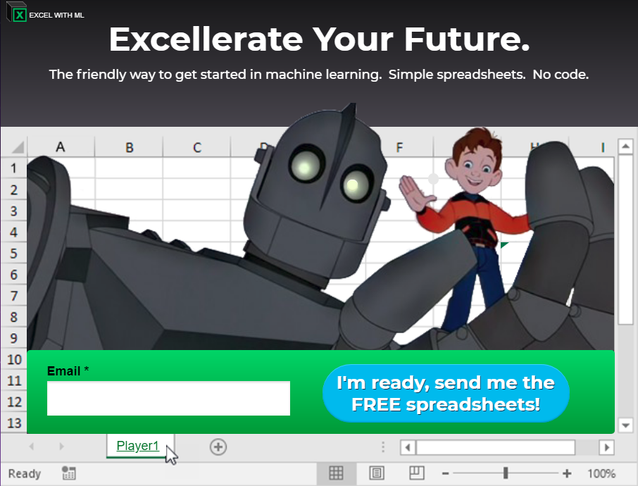
To join my email list and get more spreadsheets, head to:

 | excelwithml.com

